Sheet1
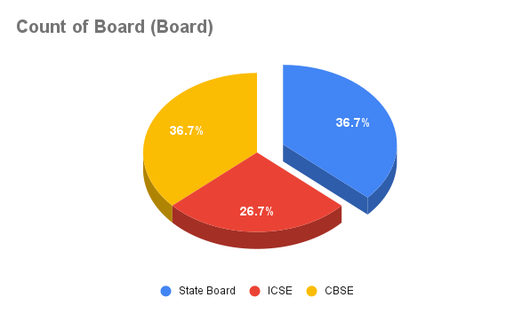
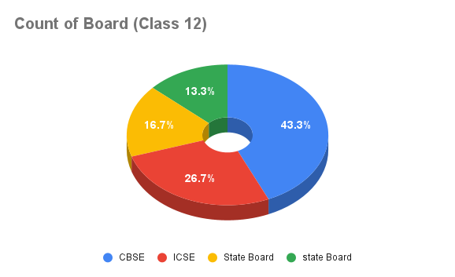
S.No | Name | Gender | Date of Birth | Marks in Class 10 | Board (Board) | Marks in Class 12 | Board (Class 12) | Mobile Number
1 | Anjali | F | 2003-02-17 | 484 | State Board | 394 | CBSE | xxx7252826
2 | Pradeep | M | 2002-06-03 | 514 | ICSE | 437 | ICSE | xxx5243748
3 | Varsha | F | 2001-03-02 | 565 | CBSE | 442 | CBSE | xxx5242824
4 | Divya | F | 2003-03-22 | 397 | State Board | 401 | State Board | xxx6546889
5 | Thomas | M | 2003-06-21 | 562 | CBSE | 451 | CBSE | xxx4242736 | 10sumM | 8654
6 | Sarita | F | 2002-05-19 | 533 | ICSE | 462 | ICSE | xxx5242577
7 | Prashant | M | 2001-09-03 | 496 | CBSE | 413 | CBSE | xxx3352630
8 | Harsha | M | 2001-02-11 | 436 | CBSE | 375 | CBSE | xxx1702736
9 | Rafiq | M | 2002-07-31 | 501 | ICSE | 423 | CBSE | xxx0026248
10 | Bhavana | F | 2003-04-07 | 526 | State Board | 431 | State Board | xxx5383036
11 | Ashwani | M | 2000-01-25 | 450 | State Board | 398 | CBSE | xxx7400892
12 | Rohit | M | 2002-03-04 | 378 | CBSE | 291 | CBSE | xxx4831749
13 | Vikash | M | 2001-10-11 | 526 | CBSE | 436 | ICSE | xxx2849462
14 | Supriya | F | 2003-05-05 | 456 | State Board | 369 | State Board | xxx3008284
15 | Nidhi | F | 2001-11-17 | 389 | ICSE | 400 | ICSE | xxx5559085
16 | Utkarsh | M | 2003-07-24 | 536 | State Board | 463 | State Board | xxx8227401
17 | Ayushmaan | M | 2002-12-19 | 489 | ICSE | 402 | ICSE | xxx5747800
18 | Aradhana | F | 2001-08-15 | 529 | CBSE | 386 | CBSE | xxx0069943
19 | Ansh | M | 2003-06-03 | 420 | ICSE | 463 | CBSE | xxx6254555
20 | Mansi | F | 2002-09-07 | 398 | CBSE | 368 | ICSE | xxx0553687
21 | Rahul Darshanam | M | 2001-08-07 | 510 | State Board | 390 | State Board | xxx7361460
22 | Nandini | F | 2002-07-24 | 498 | State Board | 450 | state Board | xxx8463927
23 | Ishaak Thomas | M | 2003-03-20 | 450 | CBSE | 425 | CBSE | xxx0944647
24 | Sujan | M | 2002-03-10 | 470 | State Board | 430 | state Board
25 | Sai Mohan | M | 2001-05-31 | 510 | ICSE | 467 | ICSE | xxx8965447
26 | Pranitha | F | 2000-10-21 | 525 | ICSE | 437 | ICSE | xxx1246883
27 | Mohan Kumar | M | 2001-07-07 | 387 | State Board | 401 | state Board | xxx5673456
28 | Pavithra | F | 2002-09-18 | 415 | State Board | 420 | state Board | xxx8376466
29 | Amit Kumar | M | 2001-04-05 | 517 | CBSE | 445 | CBSE | xxx5877487
30 | Usman | M | 2002-06-19 | 502 | CBSE | 410 | CBSE | xxx4884343

